Sheet1
https://en.wikipedia.org/wiki/List_of_counties_in_Wisconsin

List of counties[edit]

County | FIPS code[6] | County seat[7] | Est.[8] | Formed from[9] | Etymology[9] | Population[4][7] | Area[4] | Map
Adams County | 1 | Friendship | 1848 | Portage County | John Quincy Adams (1767-1848), President of the United States (1825-29) | 20,875 | 645.65 sq mi | 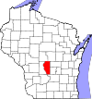
 |  |  |  |  |  |  | (1,672 km2)
Ashland County | 3 | Ashland | 1860 | La Pointe County | Ashland, Henry Clay's estate in Kentucky | 16,157 | 1,045.04 sq mi | 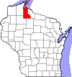

 |  |  |  |  |  |  | (2,707 km2)
Barron County | 5 | Barron | 1859 | Polk County | Henry D. Barron, state senator and circuit court judge. | 45,870 | 862.71 sq mi | 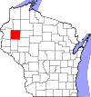

 |  |  |  |  |  |  | (2,234 km2)
Bayfield County | 7 | Washburn | 1845 | St. Croix County | Henry Bayfield, Royal naval officer and first to survey Great Lakes area | 15,014 | 1,477.86 sq mi | 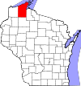

 |  |  |  |  |  |  | (3,828 km2)
Brown County | 9 | Green Bay | 1818 | unorganized territory | Major General Jacob Brown (1775-1828), commanding general of the United States Army during the War of 1812 | 248,007 | 529.71 sq mi | 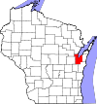

 |  |  |  |  |  |  | (1,372 km2)
Buffalo County | 11 | Alma | 1853 | Trempealeau County | The Buffalo River, which flows through the county. | 13,587 | 671.64 sq mi | 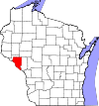

 |  |  |  |  |  |  | (1,740 km2)
Burnett County | 13 | Siren | 1856 | Polk County | Thomas P. Burnett, state legislator | 15,457 | 821.85 sq mi | 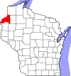

 |  |  |  |  |  |  | (2,129 km2)
Calumet County | 15 | Chilton | 1836 | Brown County, Wisconsin | The French word for a Menominee Ceremonial pipe. | 48,971 | 318.24 sq mi | 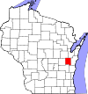

 |  |  |  |  |  |  | (824 km2)
Chippewa County | 17 | Chippewa Falls | 1845 | Crawford County | Chippewa Indians | 62,415 | 1,008.37 sq mi | 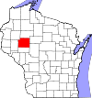

 |  |  |  |  |  |  | (2,612 km2)
Clark County | 19 | Neillsville | 1853 | Crawford County | George Rogers Clark (1752-1812), Revolutionary War general | 34,690 | 1,209.82 sq mi | 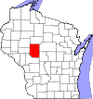

 |  |  |  |  |  |  | (3,133 km2)
Columbia County | 21 | Portage | 1846 | Portage County | Christopher Columbus (1451-1506), navigator and explorer | 56,833 | 765.53 sq mi | 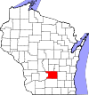

 |  |  |  |  |  |  | (1,983 km2)
Crawford County | 23 | Prairie du Chien | 1818 | unorganized territory | William Harris Crawford (1772-1834), United States Senator from Georgia (1807-13) and Secretary of the Treasury 1816-25 | 16,644 | 570.66 sq mi | 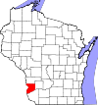

 |  |  |  |  |  |  | (1,478 km2)
Dane County | 25 | Madison | 1836 | Crawford, Iowa, and Milwaukee Countes | Nathan Dane (1752-1835), delegate to the First Continental Congress (1785-88) | 488,073 | 1,197.24 sq mi | 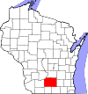

 |  |  |  |  |  |  | (3,101 km2)
Dodge County | 27 | Juneau | 1836 | Brown and Milwaukee Counties | Henry Dodge (1782-1867), Territorial Governor of Wisconsin (1845-48) | 88,759 | 875.63 sq mi | 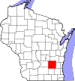

 |  |  |  |  |  |  | (2,268 km2)
Door County | 29 | Sturgeon Bay | 1851 | Brown County | A dangerous water passage near Door Peninsula known as Porte des Morts or "door of the dead" in French | 27,785 | 481.98 sq mi | 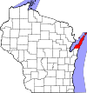

 |  |  |  |  |  |  | (1,248 km2)
Douglas County | 31 | Superior | 1854 | La Pointe County | Stephen Douglas (1813-61), United States Senator 1847-61 | 44,159 | 1,304.14 sq mi | 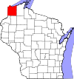

 |  |  |  |  |  |  | (3,378 km2)
Dunn County | 33 | Menomonie | 1854 | Chippewa County | Charles Dunn, state senator and chief justice of Wisconsin Territory | 43,857 | 850.11 sq mi | 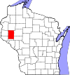

 |  |  |  |  |  |  | (2,202 km2)
Eau Claire County | 35 | Eau Claire | 1856 | Chippewa County | City of Eau Claire French for "clear water" | 98,736 | 637.98 sq mi | 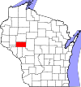

 |  |  |  |  |  |  | (1,652 km2)
Florence County | 37 | Florence | 1881 | Marinette and Oconto Counties | Florence Julst, the first white woman to settle in the area | 4,423 | 488.20 sq mi | 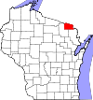

 |  |  |  |  |  |  | (1,264 km2)
Fond du Lac County | 39 | Fond du Lac | 1836 | Brown County | French for "foot of the lake" | 101,633 | 719.55 sq mi | 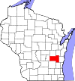

 |  |  |  |  |  |  | (1,864 km2)
Forest County | 41 | Crandon | 1885 | Langlade and Oconto Counties | Forest which covered the area when it was settled | 9,304 | 1,014.07 sq mi | 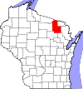

 |  |  |  |  |  |  | (2,626 km2)
Grant County | 43 | Lancaster | 1837 | Iowa County | Probably a trader named Grant who made contact with area natives in 1810 but about whom little else is known | 51,208 | 1,146.85 sq mi | 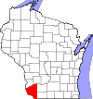

 |  |  |  |  |  |  | (2,970 km2)
Green County | 45 | Monroe | 1837 | Iowa County and unorganized territory | Nathanael Greene (1742-86), quartermaster general during the American Revolutionary War | 36,842 | 583.96 sq mi | 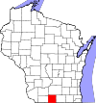

 |  |  |  |  |  |  | (1,512 km2)
Green Lake County | 47 | Green Lake | 1858 | Marquette County | Green Lake located within the county | 19,051 | 349.44 sq mi | 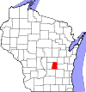

 |  |  |  |  |  |  | (905 km2)
Iowa County | 49 | Dodgeville | 1829 | Crawford County | Iowa tribe of Indians | 23,687 | 762.58 sq mi | 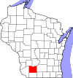

 |  |  |  |  |  |  | (1,975 km2)
Iron County | 51 | Hurley | 1893 | Ashland and Oneida Counties | Local iron deposits | 5,916 | 758.17 sq mi | 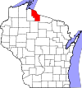

 |  |  |  |  |  |  | (1,964 km2)
Jackson County | 53 | Black River Falls | 1853 | La Crosse County | Andrew Jackson (1767-1845), President of the United States 1829–37 | 20,449 | 987.72 sq mi | 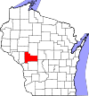

 |  |  |  |  |  |  | (2,558 km2)
Jefferson County | 55 | Jefferson | 1836 | Milwaukee County | Thomas Jefferson (1743-1826), President of the United States (1801-09) | 83,686 | 556.47 sq mi | 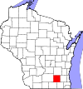

 |  |  |  |  |  |  | (1,441 km2)
Juneau County | 57 | Mauston | 1856 | Adams County | Solomon Juneau (1793-1856), founder of what would become Milwaukee | 26,664 | 766.93 sq mi | 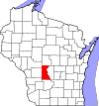

 |  |  |  |  |  |  | (1,986 km2)
Kenosha County | 59 | Kenosha | 1850 | Racine County | Indian word meaning "place of the pike" | 166,426 | 271.99 sq mi | 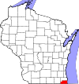

 |  |  |  |  |  |  | (704 km2)
Kewaunee County | 61 | Kewaunee | 1852 | Door County | Either a Potawatomi word meaning "river of the lost" or an Ojibwe word meaning "prairie hen" "wild duck" or "to go around" | 20,574 | 342.52 sq mi | 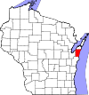

 |  |  |  |  |  |  | (887 km2)
La Crosse County | 63 | La Crosse | 1851 | Crawford County | Indian game of lacrosse | 114,638 | 451.69 sq mi | 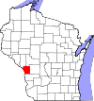

 |  |  |  |  |  |  | (1,170 km2)
Lafayette County | 65 | Darlington | 1846 | Iowa County | Gilbert du Motier marquis de La Fayette (1757-1834), a French general in the American Revolutionary War | 16,836 | 633.59 sq mi | 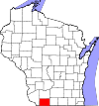

 |  |  |  |  |  |  | (1,641 km2)
Langlade County | 67 | Antigo | 1879 | Oconto County | Charles de Langlade (1729 – c.1800), American Revolutionary War veteran and United States Indian Agent in Green Bay | 19,977 | 870.64 sq mi | 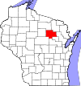

 |  |  |  |  |  |  | (2,255 km2)
Lincoln County | 69 | Merrill | 1874 | Marathon County | Abraham Lincoln (1809-65), President of the United States 1861-65 | 28,743 | 878.97 sq mi | 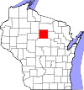

 |  |  |  |  |  |  | (2,277 km2)
Manitowoc County | 71 | Manitowoc | 1836 | Brown County | Munedoo-owk, an Ojibwe word meaning "the place of the good spirit" | 81,442 | 589.08 sq mi | 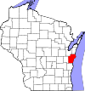

 |  |  |  |  |  |  | (1,526 km2)
Marathon County | 73 | Wausau | 1850 | Portage County | Marathon, Greece | 134,063 | 1,544.98 sq mi | 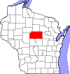

 |  |  |  |  |  |  | (4,001 km2)
Marinette County | 75 | Marinette | 1879 | Oconto County | Marie Antoinette Chevalier, Indian wife of an early fur trapper | 41,749 | 1,399.35 sq mi | 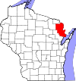

 |  |  |  |  |  |  | (3,624 km2)
Marquette County | 77 | Montello | 1836 | Brown County | Father Pere Jacques Marquette(1637-75), missionary and explorer | 15,404 | 455.60 sq mi | 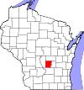

 |  |  |  |  |  |  | (1,180 km2)
Menominee County | 78 | Keshena | 1959 | Menominee Indian Reservation, Shawano, and Oconto Counties | Menominee Indians | 4,232 | 357.61 sq mi | 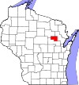

 |  |  |  |  |  |  | (926 km2)
Milwaukee County | 79 | Milwaukee | 1834 | Brown County | Mahnawaukee-Seepe, an Indian word meaning "gathering place by the river" | 947,735 | 241.40 sq mi | 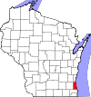

 |  |  |  |  |  |  | (625 km2)
Monroe County | 81 | Sparta | 1854 | La Crosse County | James Monroe (1758-1831), President of the United States (1817-25) | 44,673 | 900.78 sq mi | 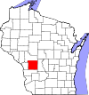

 |  |  |  |  |  |  | (2,333 km2)
Oconto County | 83 | Oconto | 1851 | Brown County | An Indian settlement and the Oconto River, whose name means "plentiful with fish" | 37,660 | 997.99 sq mi | 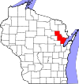

 |  |  |  |  |  |  | (2,585 km2)
Oneida County | 85 | Rhinelander | 1885 | Lincoln County | Oneida Indians | 35,998 | 1,112.97 sq mi | 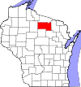

 |  |  |  |  |  |  | (2,883 km2)
Outagamie County | 87 | Appleton | 1851 | Brown County | Outagamie Indians | 176,695 | 637.52 sq mi | 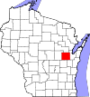

 |  |  |  |  |  |  | (1,651 km2)
Ozaukee County | 89 | Port Washington | 1853 | Washington County | The Ojibwe word for the Sauk nation | 86,395 | 233.08 sq mi | 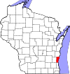

 |  |  |  |  |  |  | (604 km2)
Pepin County | 91 | Durand | 1858 | Dunn County | Pierre and Jean Pepin du Chardonnets, explorers | 7,469 | 231.98 sq mi | 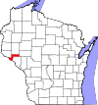

 |  |  |  |  |  |  | (601 km2)
Pierce County | 93 | Ellsworth | 1853 | Saint Croix County | Franklin Pierce (1804-69), President of the United States (1853-57) | 41,019 | 573.75 sq mi | 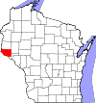

 |  |  |  |  |  |  | (1,486 km2)
Polk County | 95 | Balsam Lake | 1853 | Saint Croix County | James Polk (1795-1849), President of the United States (1845-49) | 44,205 | 913.96 sq mi | 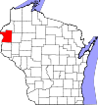

 |  |  |  |  |  |  | (2,367 km2)
Portage County | 97 | Stevens Point | 1836 | Brown, Crawford, Iowa, and Milwaukee Counties | Passage between the Fox and Wisconsin Rivers | 70,019 | 800.68 sq mi | 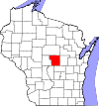

 |  |  |  |  |  |  | (2,074 km2)
Price County | 99 | Phillips | 1879 | Chippewa and Lincoln Counties | William T. Price(1824-86), United States Congressman(1883-86) | 14,159 | 1,254.38 sq mi | 

 |  |  |  |  |  |  | (3,249 km2)
Racine County | 101 | Racine | 1836 | Milwaukee County | Racine, the French word for "root", after the Root River, which flows through the county | 195,408 | 332.5 sq mi | 

 |  |  |  |  |  |  | (861 km2)
Richland County | 103 | Richland Center | 1842 | Iowa County | The rich soil of the area | 18,021 | 586.15 sq mi | 

 |  |  |  |  |  |  | (1,518 km2)
Rock County | 105 | Janesville | 1836 | Milwaukee County | Rock River, which flows through the county | 160,331 | 718.14 sq mi | 

 |  |  |  |  |  |  | (1,860 km2)
Rusk County | 107 | Ladysmith | 1901 | Chippewa County | Jeremiah McLain Rusk (1830-93), Governor of Wisconsin 1882-89 | 14,755 | 913.59 sq mi | 

 |  |  |  |  |  |  | (2,366 km2)
Sauk County | 111 | Baraboo | 1840 | Crawford, Dane and Portage Counties | Sauk Indians | 61,976 | 830.9 sq mi | 

 |  |  |  |  |  |  | (2,152 km2)
Sawyer County | 113 | Hayward | 1883 | Ashland and Chippewa Counties | Philetus Sawyer (1816-1900), United States Representative (1865-75) and Senator (1881-93) from Wisconsin | 16,557 | 1,257.31 sq mi | 

 |  |  |  |  |  |  | (3,256 km2)
Shawano County | 115 | Shawano | 1853 | Oconto County | An Ojibwe word meaning "southern" | 41,949 | 893.06 sq mi | 

 |  |  |  |  |  |  | (2,313 km2)
Sheboygan County | 117 | Sheboygan | 1836 | Brown County | Shawb-wa-way-kun, an Indian word meaning "great noise underground" | 115,507 | 511.27 sq mi | 

 |  |  |  |  |  |  | (1,324 km2)
St. Croix County | 109 | Hudson | 1840 | Crawford County, and unorganized territory | An early French explorer named St. Croix, about whom little is known | 84,345 | 722.33 sq mi | 

 |  |  |  |  |  |  | (1,871 km2)
Taylor County | 119 | Medford | 1875 | Clark, Lincoln, Marathon and Chippewa Counties | William Robert Taylor (1820-1909), Governor of Wisconsin 1874-76 | 20,689 | 974.88 sq mi | 

 |  |  |  |  |  |  | (2,525 km2)
Trempealeau County | 121 | Whitehall | 1854 | Crawford and La Crosse Counties | Trempealeau Mountain (from the French for "mountain with its foot in the water"), a bluff located in a bend of the Trempealeau River,[10] which flows through the county | 28,816 | 732.97 sq mi | 

 |  |  |  |  |  |  | (1,898 km2)
Vernon County | 123 | Viroqua | 1851 | Richland and Crawford Counties | Mount Vernon, home of George Washington | 29,773 | 791.58 sq mi | 

 |  |  |  |  |  |  | (2,050 km2)
Vilas County | 125 | Eagle River | 1893 | Oneida County | William Vilas (1840-1908), officer in the Civil War United States Postmaster General (1885-88) United States Secretary of the Interior (1888-89) and Senator from Wisconsin (1891-97) | 21,430 | 856.60 sq mi | 

 |  |  |  |  |  |  | (2,219 km2)
Walworth County | 127 | Elkhorn | 1836 | Milwaukee County | Reuben Hyde Walworth (1788-1867), jurist from New York | 102,228 | 555.13 sq mi | 

 |  |  |  |  |  |  | (1,438 km2)
Washburn County | 129 | Shell Lake | 1883 | Burnett County | Cadwallader Washburn (1818-82), Governor of Wisconsin (1872–74) and Representative from Wisconsin (1867–71) | 15,911 | 797.11 sq mi | 

 |  |  |  |  |  |  | (2,065 km2)
Washington County | 131 | West Bend | 1836 | Brown and Milwaukee Counties | George Washington (1732-99), American Revolutionary War leader (1775–83) and first President of the United States (1789–97) | 131,887 | 430.70 sq mi | 

 |  |  |  |  |  |  | (1,116 km2)
Waukesha County | 133 | Waukesha | 1846 | Milwaukee County | Waugooshance, a Pottawatomi word meaning "little foxes" | 389,891 | 549.57 sq mi | 

 |  |  |  |  |  |  | (1,423 km2)
Waupaca County | 135 | Waupaca | 1851 | Brown and Winnebago Counties | wau-pa-ka-ho-nak, a Menominee word meaning "white sand bottom" or "brave young hero" | 52,410 | 747.71 sq mi | 

 |  |  |  |  |  |  | (1,937 km2)
Waushara County | 137 | Wautoma | 1851 | Marquette County | An Indian word meaning "good earth" | 24,496 | 626.15 sq mi | 

 |  |  |  |  |  |  | (1,622 km2)
Winnebago County | 139 | Oshkosh | 1840 | Brown, Calumet, and Fond du Lac Counties | Winnebago Indians | 166,994 | 434.49 sq mi | 

 |  |  |  |  |  |  | (1,125 km2)
Wood County | 141 | Wisconsin Rapids | 1856 | Portage County | Joseph Wood (1809-90), state legislator (1856-58) | 74,749 | 793.12 sq mi | 

 |  |  |  |  |  |  | (2,054 km2)

